Sheet1
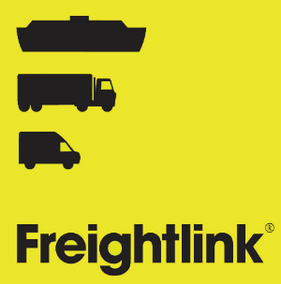


 |  |  |  | TRACK AND TRACE FORM

Vehicle details

Tractor registration
Trailer registration

Goods carried

Description |  |  |  | Weight (kg)
Custom ID documents (1)
Custom ID documents (2)
Custom ID documents (3)

TIR/ATA | Please select | SPS | Please select |  |  | Empty/Postal |  | Please select

Passenger 1 details

First name |  | Gender | Please select |  | Passenger type |  | Please select
Last name |  | Date of Birth |  |  | Nationality |  |  | Please select

Passenger 2 details (if applicable)

First name |  | Gender | Please select |  | Passenger type |  | Please select
Last name |  | Date of Birth |  |  | Nationality |  |  | Please select

Telephone number for the lead driver

